100 EPHOCS
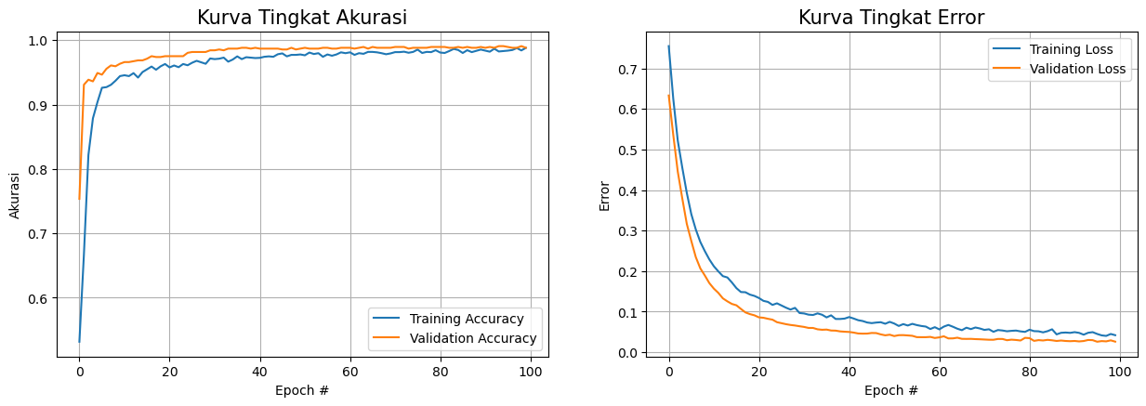
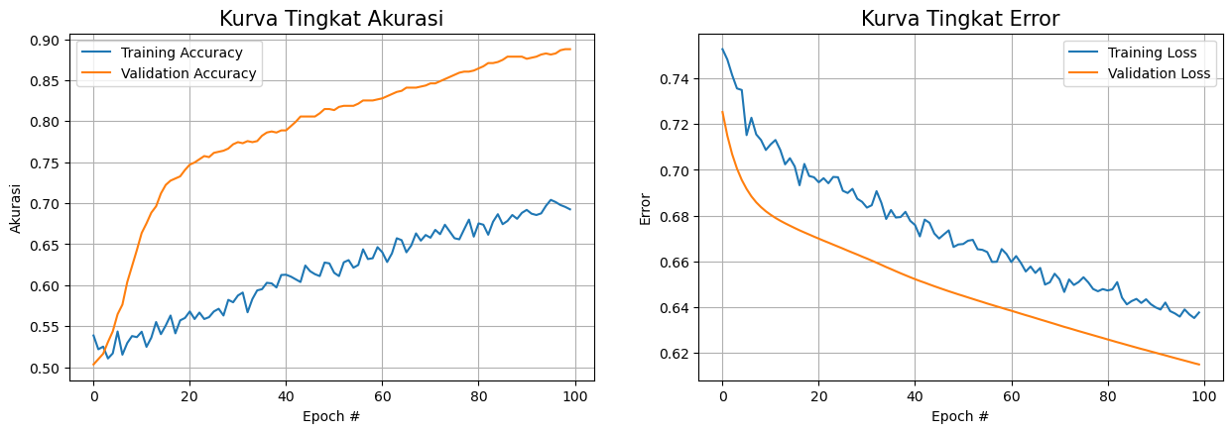
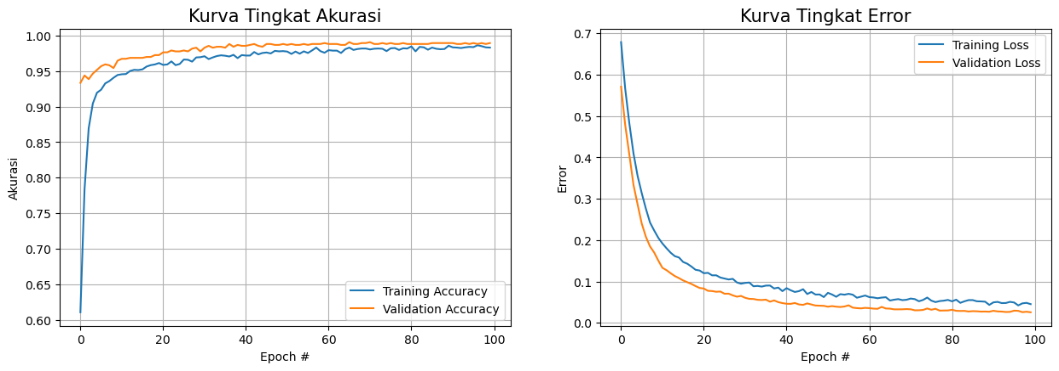
 | ADAM |  |  |  |  | SGD |  |  |  |  |  | RMSP
Epoch | Steps per Epoch | Loss | Accuracy | Validation Loss | Validation Accuracy
1/100 | 95 | 0.7142 | 0.5613 | 0.5974 | 0.8905 | Epoch | Loss | Accuracy | Validation Loss | Validation Accuracy | Epoch | Training Loss | Training Accuracy | Validation Loss | Validation Accuracy
2/100 | 95 | 0.6015 | 0.7086 | 0.5096 | 0.9361 | 1 | 0.7528 | 0.5386 | 0.7253 | 0.5033 | 1 | 0.6786 | 0.6104 | 0.5709 | 0.9335
3/100 | 95 | 0.5203 | 0.8194 | 0.4307 | 0.9387 | 2 | 0.7483 | 0.5218 | 0.7149 | 0.5098 | 2 | 0.5659 | 0.7835 | 0.4783 | 0.9439
4/100 | 95 | 0.4424 | 0.882 | 0.3632 | 0.9426 | 3 | 0.7415 | 0.525 | 0.7069 | 0.5163 | 3 | 0.4824 | 0.8695 | 0.4068 | 0.9387
5/100 | 95 | 0.3864 | 0.9031 | 0.3126 | 0.9505 | 4 | 0.7356 | 0.5105 | 0.7006 | 0.5306 | 4 | 0.41 | 0.9044 | 0.3337 | 0.9465
6/100 | 95 | 0.3362 | 0.9206 | 0.2684 | 0.9531 | 5 | 0.7349 | 0.5168 | 0.6956 | 0.5437 | 5 | 0.355 | 0.9196 | 0.2862 | 0.9518
7/100 | 95 | 0.2933 | 0.9331 | 0.2319 | 0.9531 | 6 | 0.7152 | 0.5435 | 0.6917 | 0.5645 | 6 | 0.3135 | 0.9239 | 0.24 | 0.957
8/100 | 95 | 0.2681 | 0.9344 | 0.2028 | 0.9583 | 7 | 0.7228 | 0.5152 | 0.6884 | 0.5763 | 7 | 0.276 | 0.9328 | 0.2081 | 0.9596
9/100 | 95 | 0.2389 | 0.938 | 0.1885 | 0.957 | 8 | 0.7155 | 0.5293 | 0.6858 | 0.6037 | 8 | 0.2425 | 0.9361 | 0.1848 | 0.9583
10/100 | 95 | 0.2218 | 0.941 | 0.1639 | 0.9661 | 9 | 0.713 | 0.5379 | 0.6837 | 0.6232 | 9 | 0.2234 | 0.9407 | 0.1701 | 0.9544
11/100 | 95 | 0.207 | 0.9436 | 0.1496 | 0.9674 | 10 | 0.7087 | 0.5366 | 0.6819 | 0.6428 | 10 | 0.2057 | 0.9446 | 0.1506 | 0.9648
12/100 | 95 | 0.1885 | 0.9453 | 0.1383 | 0.9661 | 11 | 0.7112 | 0.5432 | 0.6804 | 0.6636 | 11 | 0.1918 | 0.9456 | 0.1331 | 0.9674
13/100 | 95 | 0.182 | 0.9542 | 0.1356 | 0.9687 | 12 | 0.7131 | 0.5247 | 0.679 | 0.6754 | 12 | 0.1802 | 0.9459 | 0.1273 | 0.9674
14/100 | 95 | 0.1657 | 0.9542 | 0.1278 | 0.97 | 13 | 0.7087 | 0.5359 | 0.6778 | 0.6884 | 13 | 0.1695 | 0.9502 | 0.1199 | 0.9687
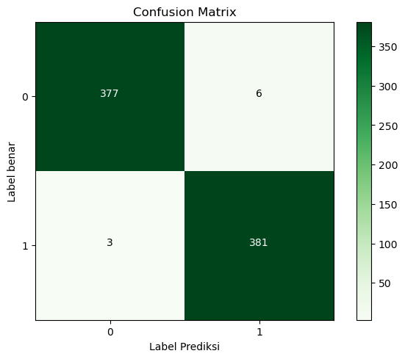
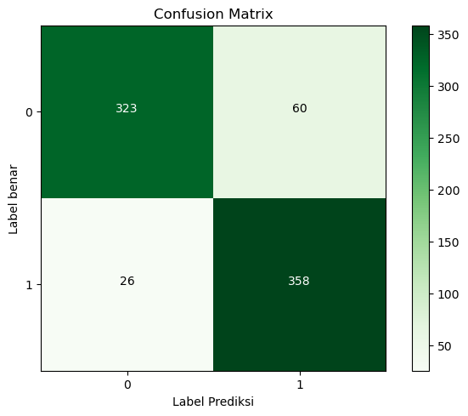
15/100 | 95 | 0.1669 | 0.9469 | 0.1235 | 0.9687 | 14 | 0.7024 | 0.555 | 0.6766 | 0.6962 | 14 | 0.1612 | 0.9519 | 0.1131 | 0.9687

16/100 | 95 | 0.1581 | 0.9539 | 0.111 | 0.97 | 15 | 0.7051 | 0.5402 | 0.6756 | 0.7119 | 15 | 0.158 | 0.9515 | 0.1081 | 0.9687
17/100 | 95 | 0.1553 | 0.9545 | 0.1056 | 0.9713 | 16 | 0.7015 | 0.5508 | 0.6746 | 0.7223 | 16 | 0.1472 | 0.9525 | 0.1026 | 0.9687
18/100 | 95 | 0.1394 | 0.9604 | 0.1003 | 0.9713 | 17 | 0.6933 | 0.563 | 0.6736 | 0.7275 | 17 | 0.143 | 0.9565 | 0.0983 | 0.97
19/100 | 95 | 0.1355 | 0.9601 | 0.0958 | 0.9713 | 18 | 0.7026 | 0.5412 | 0.6726 | 0.7301 | 18 | 0.1362 | 0.9585 | 0.0941 | 0.97
20/100 | 95 | 0.1321 | 0.9611 | 0.0902 | 0.9765 | 19 | 0.6973 | 0.557 | 0.6717 | 0.7327 | 19 | 0.1283 | 0.9595 | 0.089 | 0.9726
21/100 | 95 | 0.1278 | 0.9631 | 0.0904 | 0.9726 | 20 | 0.6968 | 0.56 | 0.6708 | 0.7405 | 20 | 0.1265 | 0.9614 | 0.0844 | 0.9726
22/100 | 95 | 0.1246 | 0.9608 | 0.0852 | 0.9752 | 21 | 0.6946 | 0.5679 | 0.6699 | 0.7471 | 21 | 0.12 | 0.9588 | 0.083 | 0.9765
23/100 | 95 | 0.1173 | 0.9657 | 0.0797 | 0.9765 | 22 | 0.6964 | 0.5587 | 0.669 | 0.7497 | 22 | 0.1209 | 0.9595 | 0.0775 | 0.9765
24/100 | 95 | 0.1096 | 0.9654 | 0.0799 | 0.9778 | 23 | 0.6941 | 0.5666 | 0.6682 | 0.7536 | 23 | 0.1149 | 0.9637 | 0.0769 | 0.9791
25/100 | 95 | 0.1065 | 0.967 | 0.076 | 0.9804 | 24 | 0.6969 | 0.5587 | 0.6673 | 0.7575 | 24 | 0.115 | 0.9585 | 0.0752 | 0.9778
26/100 | 95 | 0.1099 | 0.9631 | 0.0735 | 0.9804 | 25 | 0.6968 | 0.561 | 0.6665 | 0.7562 | 25 | 0.1096 | 0.9601 | 0.0758 | 0.9778
27/100 | 95 | 0.1089 | 0.9647 | 0.0707 | 0.9817 | 26 | 0.6909 | 0.5679 | 0.6656 | 0.7614 | 26 | 0.1072 | 0.9664 | 0.0704 | 0.9791
28/100 | 95 | 0.1035 | 0.9654 | 0.0716 | 0.9804 | 27 | 0.6899 | 0.5712 | 0.6647 | 0.7627 | 27 | 0.1049 | 0.9661 | 0.0706 | 0.9778
29/100 | 95 | 0.1012 | 0.969 | 0.069 | 0.9804 | 28 | 0.6917 | 0.563 | 0.6638 | 0.764 | 28 | 0.1064 | 0.9634 | 0.0665 | 0.9817
30/100 | 95 | 0.1009 | 0.967 | 0.0649 | 0.9817 | 29 | 0.6874 | 0.5821 | 0.663 | 0.7666 | 29 | 0.0977 | 0.9693 | 0.0633 | 0.9831
31/100 | 95 | 0.0985 | 0.9707 | 0.0637 | 0.9817 | 30 | 0.686 | 0.5791 | 0.6621 | 0.7718 | 30 | 0.0946 | 0.9697 | 0.0651 | 0.9778
32/100 | 95 | 0.1003 | 0.9684 | 0.0661 | 0.9804 | 31 | 0.6835 | 0.5873 | 0.6612 | 0.7744 | 31 | 0.0966 | 0.971 | 0.0606 | 0.9831
33/100 | 95 | 0.0868 | 0.9759 | 0.0602 | 0.9831 | 32 | 0.6845 | 0.591 | 0.6603 | 0.7731 | 32 | 0.0975 | 0.967 | 0.0581 | 0.9857
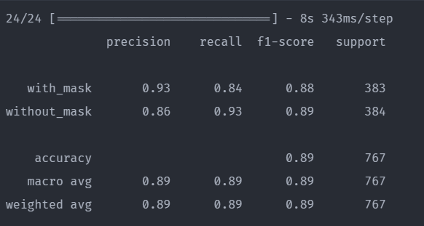
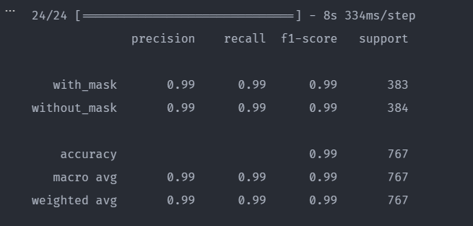
34/100 | 95 | 0.0909 | 0.9684 | 0.0568 | 0.9857 | 33 | 0.6907 | 0.5669 | 0.6594 | 0.7757 | 33 | 0.0885 | 0.9693 | 0.0577 | 0.9831
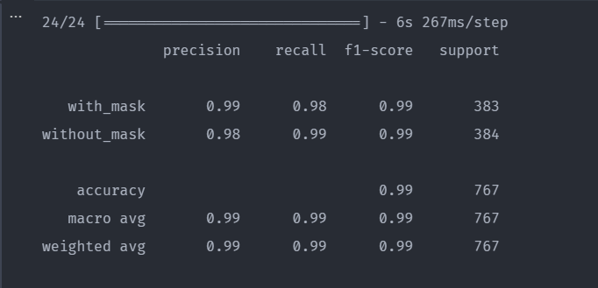
35/100 | 95 | 0.0895 | 0.9677 | 0.0594 | 0.9817 | 34 | 0.6856 | 0.5831 | 0.6585 | 0.7744 | 34 | 0.0893 | 0.9713 | 0.0558 | 0.9844
36/100 | 95 | 0.0926 | 0.969 | 0.0573 | 0.9817 | 35 | 0.6785 | 0.5936 | 0.6575 | 0.7757 | 35 | 0.0877 | 0.9723 | 0.0552 | 0.9844
37/100 | 95 | 0.0837 | 0.9736 | 0.0564 | 0.9831 | 36 | 0.6824 | 0.5951 | 0.6566 | 0.7823 | 36 | 0.0901 | 0.9717 | 0.0561 | 0.9831
38/100 | 95 | 0.0867 | 0.9711 | 0.0525 | 0.9857 | 37 | 0.6792 | 0.6028 | 0.6557 | 0.7862 | 37 | 0.0902 | 0.9707 | 0.0512 | 0.9883
39/100 | 95 | 0.0838 | 0.9736 | 0.052 | 0.9857 | 38 | 0.6794 | 0.6022 | 0.6548 | 0.7875 | 38 | 0.0831 | 0.973 | 0.0543 | 0.9844
40/100 | 95 | 0.0785 | 0.974 | 0.055 | 0.9844 | 39 | 0.6817 | 0.5972 | 0.6539 | 0.7862 | 39 | 0.0853 | 0.9684 | 0.0501 | 0.987
41/100 | 95 | 0.0861 | 0.972 | 0.0503 | 0.9844 | 40 | 0.6777 | 0.6124 | 0.6531 | 0.7888 | 40 | 0.0767 | 0.9726 | 0.0478 | 0.9857
42/100 | 95 | 0.0854 | 0.9743 | 0.0501 | 0.9864 | 41 | 0.6759 | 0.6127 | 0.6522 | 0.7888 | 41 | 0.0839 | 0.972 | 0.0462 | 0.9857
43/100 | 95 | 0.0832 | 0.9736 | 0.0492 | 0.9857 | 42 | 0.6759 | 0.6163 | 0.6513 | 0.7928 | 42 | 0.0788 | 0.972 | 0.046 | 0.987
44/100 | 95 | 0.0779 | 0.976 | 0.0483 | 0.9857 | 43 | 0.6743 | 0.6182 | 0.6504 | 0.7941 | 43 | 0.0747 | 0.9769 | 0.048 | 0.9883
45/100 | 95 | 0.08 | 0.9727 | 0.0482 | 0.987 | 44 | 0.6753 | 0.6119 | 0.6496 | 0.7941 | 44 | 0.0767 | 0.9736 | 0.0445 | 0.9857
46/100 | 95 | 0.0796 | 0.9753 | 0.0476 | 0.9857 | 45 | 0.6762 | 0.6148 | 0.6487 | 0.7941 | 45 | 0.0813 | 0.9756 | 0.0435 | 0.9844
47/100 | 95 | 0.0812 | 0.9753 | 0.0469 | 0.9857 | 46 | 0.6727 | 0.6208 | 0.6479 | 0.7967 | 46 | 0.0716 | 0.9775 | 0.0443 | 0.987
48/100 | 95 | 0.0761 | 0.9743 | 0.0463 | 0.9857 | 47 | 0.6749 | 0.6186 | 0.6471 | 0.7967 | 47 | 0.077 | 0.9746 | 0.0408 | 0.987
49/100 | 95 | 0.0818 | 0.973 | 0.0453 | 0.987 | 48 | 0.6741 | 0.6163 | 0.6463 | 0.798 | 48 | 0.0724 | 0.9759 | 0.0426 | 0.9883
50/100 | 95 | 0.0744 | 0.9783 | 0.0465 | 0.987 | 49 | 0.6754 | 0.6151 | 0.6455 | 0.7993 | 49 | 0.0699 | 0.9752 | 0.0418 | 0.9883
51/100 | 95 | 0.0751 | 0.976 | 0.0438 | 0.987 | 50 | 0.6718 | 0.6208 | 0.6446 | 0.7993 | 50 | 0.072 | 0.9779 | 0.0421 | 0.9857
52/100 | 95 | 0.0769 | 0.976 | 0.0444 | 0.9864 | 51 | 0.6681 | 0.6326 | 0.6438 | 0.8006 | 51 | 0.0723 | 0.9742 | 0.0389 | 0.987
53/100 | 95 | 0.0738 | 0.9783 | 0.0448 | 0.9864 | 52 | 0.6682 | 0.6283 | 0.643 | 0.8006 | 52 | 0.0714 | 0.9756 | 0.0395 | 0.9857
54/100 | 95 | 0.0711 | 0.9783 | 0.0421 | 0.9877 | 53 | 0.6664 | 0.6317 | 0.6422 | 0.8006 | 53 | 0.0693 | 0.9765 | 0.0397 | 0.9883
55/100 | 95 | 0.0776 | 0.975 | 0.0434 | 0.9864 | 54 | 0.6683 | 0.6286 | 0.6415 | 0.8006 | 54 | 0.0667 | 0.9795 | 0.0407 | 0.987
56/100 | 95 | 0.0752 | 0.9757 | 0.042 | 0.9864 | 55 | 0.6636 | 0.6334 | 0.6407 | 0.802 | 55 | 0.0682 | 0.9779 | 0.0397 | 0.987
57/100 | 95 | 0.0741 | 0.9763 | 0.0413 | 0.9864 | 56 | 0.6629 | 0.6343 | 0.64 | 0.802 | 56 | 0.0669 | 0.9776 | 0.0395 | 0.987
58/100 | 95 | 0.0751 | 0.977 | 0.0407 | 0.9877 | 57 | 0.6629 | 0.6357 | 0.6393 | 0.8033 | 57 | 0.0688 | 0.9772 | 0.0362 | 0.9909
59/100 | 95 | 0.0722 | 0.9757 | 0.0394 | 0.9877 | 58 | 0.6617 | 0.6349 | 0.6386 | 0.8033 | 58 | 0.0648 | 0.9772 | 0.0392 | 0.987
60/100 | 95 | 0.0735 | 0.9783 | 0.0387 | 0.987 | 59 | 0.6607 | 0.6405 | 0.6378 | 0.8046 | 59 | 0.0645 | 0.9792 | 0.0362 | 0.9909
61/100 | 95 | 0.0695 | 0.9773 | 0.0376 | 0.9877 | 60 | 0.6614 | 0.6371 | 0.6371 | 0.8046 | 60 | 0.0629 | 0.9782 | 0.038 | 0.987
62/100 | 95 | 0.0682 | 0.9777 | 0.039 | 0.9864 | 61 | 0.6595 | 0.6383 | 0.6364 | 0.8046 | 61 | 0.0638 | 0.9786 | 0.0343 | 0.9909
63/100 | 95 | 0.0678 | 0.979 | 0.0379 | 0.9864 | 62 | 0.6588 | 0.6424 | 0.6357 | 0.8046 | 62 | 0.0677 | 0.9789 | 0.0353 | 0.9909
64/100 | 95 | 0.0664 | 0.9793 | 0.0371 | 0.9883 | 63 | 0.6588 | 0.6432 | 0.6351 | 0.8059 | 63 | 0.0607 | 0.9782 | 0.0364 | 0.9909
65/100 | 95 | 0.0661 | 0.9803 | 0.0371 | 0.9864 | 64 | 0.6574 | 0.6421 | 0.6344 | 0.8059 | 64 | 0.0648 | 0.9786 | 0.0346 | 0.9909
66/100 | 95 | 0.0684 | 0.9783 | 0.0366 | 0.9864 | 65 | 0.6582 | 0.6421 | 0.6337 | 0.8072 | 65 | 0.0614 | 0.9799 | 0.0353 | 0.9909
67/100 | 95 | 0.0639 | 0.98 | 0.0363 | 0.987 | 66 | 0.6543 | 0.6451 | 0.6331 | 0.8072 | 66 | 0.0607 | 0.9796 | 0.0354 | 0.9909
68/100 | 95 | 0.0623 | 0.9807 | 0.0352 | 0.9864 | 67 | 0.6557 | 0.6477 | 0.6324 | 0.8072 | 67 | 0.0628 | 0.9802 | 0.0342 | 0.9909
69/100 | 95 | 0.064 | 0.979 | 0.0347 | 0.9864 | 68 | 0.6547 | 0.6435 | 0.6318 | 0.8085 | 68 | 0.0609 | 0.9802 | 0.0341 | 0.9909
70/100 | 95 | 0.0635 | 0.9803 | 0.0344 | 0.987 | 69 | 0.6549 | 0.6449 | 0.6311 | 0.8085 | 69 | 0.0621 | 0.9799 | 0.0346 | 0.9909
71/100 | 95 | 0.0616 | 0.9807 | 0.0338 | 0.9864 | 70 | 0.6533 | 0.6466 | 0.6305 | 0.8085 | 70 | 0.0581 | 0.9796 | 0.0335 | 0.9909
72/100 | 95 | 0.0638 | 0.98 | 0.0346 | 0.9864 | 71 | 0.6531 | 0.6477 | 0.6299 | 0.8085 | 71 | 0.0596 | 0.9806 | 0.034 | 0.9909
73/100 | 95 | 0.0642 | 0.9807 | 0.0328 | 0.9883 | 72 | 0.6503 | 0.6486 | 0.6292 | 0.8085 | 72 | 0.0591 | 0.9796 | 0.0332 | 0.9909
74/100 | 95 | 0.0621 | 0.9807 | 0.0338 | 0.987 | 73 | 0.6514 | 0.6469 | 0.6286 | 0.8085 | 73 | 0.0584 | 0.9799 | 0.0321 | 0.9909
75/100 | 95 | 0.0606 | 0.9813 | 0.0324 | 0.987 | 74 | 0.6486 | 0.653 | 0.628 | 0.8085 | 74 | 0.0592 | 0.9792 | 0.0331 | 0.9909
76/100 | 95 | 0.0597 | 0.9813 | 0.0318 | 0.9883 | 75 | 0.6513 | 0.6494 | 0.6274 | 0.8085 | 75 | 0.0588 | 0.9819 | 0.0321 | 0.9909
77/100 | 95 | 0.0595 | 0.9817 | 0.0333 | 0.987 | 76 | 0.649 | 0.6535 | 0.6267 | 0.8085 | 76 | 0.0586 | 0.9802 | 0.0326 | 0.9909
78/100 | 95 | 0.0626 | 0.9817 | 0.0337 | 0.9864 | 77 | 0.6478 | 0.6541 | 0.6261 | 0.8098 | 77 | 0.0567 | 0.9796 | 0.0319 | 0.9909
79/100 | 95 | 0.0603 | 0.9817 | 0.0331 | 0.9877 | 78 | 0.648 | 0.6516 | 0.6255 | 0.8098 | 78 | 0.0561 | 0.9809 | 0.0318 | 0.9909
80/100 | 95 | 0.0582 | 0.983 | 0.0335 | 0.9883 | 79 | 0.6497 | 0.6508 | 0.625 | 0.8098 | 79 | 0.059 | 0.9812 | 0.0325 | 0.9909
81/100 | 95 | 0.0591 | 0.982 | 0.0322 | 0.987 | 80 | 0.6458 | 0.6547 | 0.6244 | 0.8098 | 80 | 0.0563 | 0.9792 | 0.0316 | 0.9909
82/100 | 95 | 0.0602 | 0.9817 | 0.0323 | 0.987 | 81 | 0.6466 | 0.6522 | 0.6238 | 0.8098 | 81 | 0.0555 | 0.9799 | 0.0318 | 0.9909
83/100 | 95 | 0.0593 | 0.9823 | 0.0319 | 0.9877 | 82 | 0.6482 | 0.651 | 0.6232 | 0.8111 | 82 | 0.0571 | 0.9819 | 0.032 | 0.9909
84/100 | 95 | 0.0553 | 0.983 | 0.0318 | 0.9877 | 83 | 0.6446 | 0.6562 | 0.6227 | 0.8111 | 83 | 0.0564 | 0.9809 | 0.0323 | 0.9909
85/100 | 95 | 0.0554 | 0.9823 | 0.0315 | 0.9883 | 84 | 0.6453 | 0.6547 | 0.6221 | 0.8111 | 84 | 0.0548 | 0.9812 | 0.0326 | 0.9909
86/100 | 95 | 0.0559 | 0.9837 | 0.031 | 0.9883 | 85 | 0.6437 | 0.6573 | 0.6215 | 0.8111 | 85 | 0.0549 | 0.9802 | 0.0323 | 0.9909
87/100 | 95 | 0.0567 | 0.9833 | 0.0312 | 0.9877 | 86 | 0.6423 | 0.6608 | 0.621 | 0.8111 | 86 | 0.0556 | 0.9816 | 0.0308 | 0.9909
88/100 | 95 | 0.0575 | 0.9833 | 0.0314 | 0.9883 | 87 | 0.6428 | 0.6585 | 0.6204 | 0.8111 | 87 | 0.0543 | 0.9812 | 0.0316 | 0.9909
89/100 | 95 | 0.0578 | 0.9823 | 0.0306 | 0.9883 | 88 | 0.6437 | 0.6588 | 0.6199 | 0.8111 | 88 | 0.0546 | 0.9809 | 0.0315 | 0.9909
90/100 | 95 | 0.0562 | 0.9827 | 0.0305 | 0.9883 | 89 | 0.6416 | 0.6602 | 0.6193 | 0.8111 | 89 | 0.0553 | 0.9819 | 0.0309 | 0.9909
91/100 | 95 | 0.0568 | 0.9833 | 0.0309 | 0.9877 | 90 | 0.6428 | 0.6576 | 0.6188 | 0.8111 | 90 | 0.0548 | 0.9812 | 0.0314 | 0.9909
92/100 | 95 | 0.0565 | 0.9823 | 0.0304 | 0.9877 | 91 | 0.6393 | 0.6635 | 0.6183 | 0.8111 | 91 | 0.0553 | 0.9809 | 0.0311 | 0.9909
93/100 | 95 | 0.0558 | 0.9833 | 0.0302 | 0.9883 | 92 | 0.6389 | 0.663 | 0.6177 | 0.8111 | 92 | 0.0542 | 0.9812 | 0.0314 | 0.9909
94/100 | 95 | 0.0547 | 0.984 | 0.0307 | 0.9877 | 93 | 0.6395 | 0.6621 | 0.6172 | 0.8111 | 93 | 0.0547 | 0.9809 | 0.0313 | 0.9909
95/100 | 95 | 0.0557 | 0.983 | 0.0303 | 0.9877 | 94 | 0.6395 | 0.6629 | 0.6166 | 0.8111 | 94 | 0.0535 | 0.9819 | 0.0312 | 0.9909
96/100 | 95 | 0.0537 | 0.9833 | 0.0307 | 0.9877 | 95 | 0.6376 | 0.6651 | 0.6161 | 0.8111 | 95 | 0.054 | 0.9816 | 0.0313 | 0.9909
97/100 | 95 | 0.0532 | 0.9837 | 0.0302 | 0.9883 | 96 | 0.6384 | 0.6633 | 0.6156 | 0.8111 | 96 | 0.0538 | 0.9812 | 0.0309 | 0.9909
98/100 | 95 | 0.0532 | 0.9837 | 0.0305 | 0.9877 | 97 | 0.6367 | 0.6657 | 0.615 | 0.8111 | 97 | 0.0539 | 0.9809 | 0.0308 | 0.9909
99/100 | 95 | 0.0523 | 0.9837 | 0.0306 | 0.9877 | 98 | 0.6376 | 0.6654 | 0.6145 | 0.8111 | 98 | 0.0542 | 0.9812 | 0.0309 | 0.9909
100/100 | 95 | 0.0526 | 0.9843 | 0.03 | 0.9883 | 99 | 0.6367 | 0.6672 | 0.614 | 0.8124 | 99 | 0.0531 | 0.9812 | 0.0305 | 0.9909
 |  |  |  |  |  | 100 | 0.636 | 0.6657 | 0.6135 | 0.8124 | 100 | 0.0544 | 0.9812 | 0.0309 | 0.9909

(ADAM) Pengujian Full Dataset
 |  |  |  |  |  |  |  | ADAM OPTIMIZER
Full Dataset 3.833 (1.918 tanpa masker dan 1.915 menggunakan masker)
Data Split 90/10 |  |  |  |  |  | Data Split 80/20 |  |  |  |  | Data Split 70/30 |  |  |  | EPOCHS | 100
Epoch | Loss | Accuracy | Val Loss | Val Accuracy | Epoch | Loss | Accuracy | Val Loss | Val Accuracy | Epoch | Loss | Accuracy | Val Loss | Val Accuracy
1 | 0.6854 | 0.583 | 0.5931 | 0.8594 | 1 | 0.7045 | 0.5982 | 0.5907 | 0.8905 | 1 | 0.7256 | 0.5522 | 0.6123 | 0.8574
2 | 0.5763 | 0.7761 | 0.4899 | 0.9297 | 2 | 0.5952 | 0.7488 | 0.4996 | 0.9231 | 2 | 0.6168 | 0.7197 | 0.5269 | 0.9148
3 | 0.4887 | 0.863 | 0.402 | 0.9557 | 3 | 0.5087 | 0.8322 | 0.4255 | 0.9192 | 3 | 0.5343 | 0.8238 | 0.4538 | 0.927
4 | 0.416 | 0.902 | 0.327 | 0.9635 | 4 | 0.4378 | 0.88 | 0.3596 | 0.94 | 4 | 0.4659 | 0.8808 | 0.392 | 0.933
5 | 0.3513 | 0.9154 | 0.2763 | 0.9583 | 5 | 0.3788 | 0.9054 | 0.3099 | 0.9335 | 5 | 0.408 | 0.9061 | 0.3379 | 0.9365
6 | 0.3055 | 0.9274 | 0.2303 | 0.974 | 6 | 0.3319 | 0.916 | 0.266 | 0.9413 | 6 | 0.3598 | 0.9219 | 0.2961 | 0.9417
7 | 0.2783 | 0.9344 | 0.2039 | 0.9714 | 7 | 0.2989 | 0.9275 | 0.2376 | 0.9426 | 7 | 0.3219 | 0.9242 | 0.2618 | 0.9452
8 | 0.2476 | 0.9388 | 0.1833 | 0.9714 | 8 | 0.2692 | 0.9338 | 0.2084 | 0.9518 | 8 | 0.2937 | 0.9295 | 0.2446 | 0.9374
9 | 0.2232 | 0.9453 | 0.1602 | 0.9766 | 9 | 0.2515 | 0.9328 | 0.1932 | 0.9465 | 9 | 0.2622 | 0.94 | 0.2127 | 0.9478
10 | 0.2068 | 0.9429 | 0.149 | 0.9766 | 10 | 0.2318 | 0.9318 | 0.1724 | 0.957 | 10 | 0.2465 | 0.9378 | 0.1979 | 0.9496
11 | 0.1911 | 0.9485 | 0.1377 | 0.9766 | 11 | 0.2115 | 0.944 | 0.1602 | 0.957 | 11 | 0.2333 | 0.9396 | 0.1784 | 0.9548
12 | 0.1869 | 0.9467 | 0.128 | 0.9766 | 12 | 0.1991 | 0.943 | 0.146 | 0.9596 | 12 | 0.2189 | 0.9427 | 0.165 | 0.9574
13 | 0.1724 | 0.9505 | 0.1155 | 0.9792 | 13 | 0.1832 | 0.9483 | 0.1362 | 0.9648 | 13 | 0.2057 | 0.9442 | 0.1517 | 0.9626
14 | 0.162 | 0.9517 | 0.113 | 0.9766 | 14 | 0.1774 | 0.9479 | 0.1336 | 0.9661 | 14 | 0.1922 | 0.9479 | 0.1446 | 0.9643
15 | 0.1543 | 0.9529 | 0.1041 | 0.9792 | 15 | 0.1719 | 0.9479 | 0.1202 | 0.9661 | 15 | 0.1816 | 0.9468 | 0.132 | 0.9643
16 | 0.1476 | 0.9576 | 0.1032 | 0.9766 | 16 | 0.159 | 0.9562 | 0.1146 | 0.9687 | 16 | 0.1727 | 0.954 | 0.1326 | 0.9635
17 | 0.1375 | 0.9608 | 0.0963 | 0.9792 | 17 | 0.1545 | 0.9525 | 0.1085 | 0.9713 | 17 | 0.1655 | 0.9585 | 0.1226 | 0.967
18 | 0.1354 | 0.9584 | 0.095 | 0.9766 | 18 | 0.1517 | 0.9552 | 0.1058 | 0.9713 | 18 | 0.1592 | 0.9585 | 0.1169 | 0.967
19 | 0.1325 | 0.9567 | 0.0897 | 0.9792 | 19 | 0.1429 | 0.9572 | 0.1027 | 0.9713 | 19 | 0.154 | 0.9547 | 0.1091 | 0.967
20 | 0.1236 | 0.964 | 0.0846 | 0.9792 | 20 | 0.1416 | 0.9565 | 0.0934 | 0.9752 | 20 | 0.1483 | 0.9574 | 0.1061 | 0.967
21 | 0.1276 | 0.9593 | 0.0842 | 0.9818 | 21 | 0.1315 | 0.9601 | 0.091 | 0.9765 | 21 | 0.1371 | 0.96 | 0.1002 | 0.9687
22 | 0.1162 | 0.9669 | 0.0834 | 0.9818 | 22 | 0.1297 | 0.9618 | 0.0918 | 0.9739 | 22 | 0.1374 | 0.9589 | 0.0987 | 0.9696
23 | 0.1157 | 0.9669 | 0.0787 | 0.9818 | 23 | 0.1308 | 0.9614 | 0.0837 | 0.9778 | 23 | 0.1347 | 0.9615 | 0.0961 | 0.9713
24 | 0.1153 | 0.9646 | 0.0759 | 0.9818 | 24 | 0.127 | 0.9621 | 0.0858 | 0.9765 | 24 | 0.1286 | 0.9611 | 0.0895 | 0.9713
25 | 0.1107 | 0.9669 | 0.0733 | 0.9844 | 25 | 0.1208 | 0.9634 | 0.0798 | 0.9765 | 25 | 0.1228 | 0.9642 | 0.0895 | 0.9722
26 | 0.1082 | 0.9681 | 0.0714 | 0.9844 | 26 | 0.1148 | 0.968 | 0.0805 | 0.9778 | 26 | 0.1223 | 0.9623 | 0.087 | 0.9722
27 | 0.0988 | 0.9704 | 0.0676 | 0.987 | 27 | 0.109 | 0.9657 | 0.0734 | 0.9791 | 27 | 0.1169 | 0.9623 | 0.0853 | 0.9713
28 | 0.1063 | 0.9646 | 0.0672 | 0.9844 | 28 | 0.1075 | 0.968 | 0.0743 | 0.9791 | 28 | 0.1172 | 0.9619 | 0.0802 | 0.973
29 | 0.099 | 0.971 | 0.0668 | 0.9844 | 29 | 0.1008 | 0.9687 | 0.0703 | 0.9817 | 29 | 0.109 | 0.9676 | 0.0759 | 0.973
30 | 0.1008 | 0.9722 | 0.0652 | 0.9844 | 30 | 0.1099 | 0.9624 | 0.0726 | 0.9791 | 30 | 0.1148 | 0.9645 | 0.0774 | 0.973

(RMSP) FULL DATASET
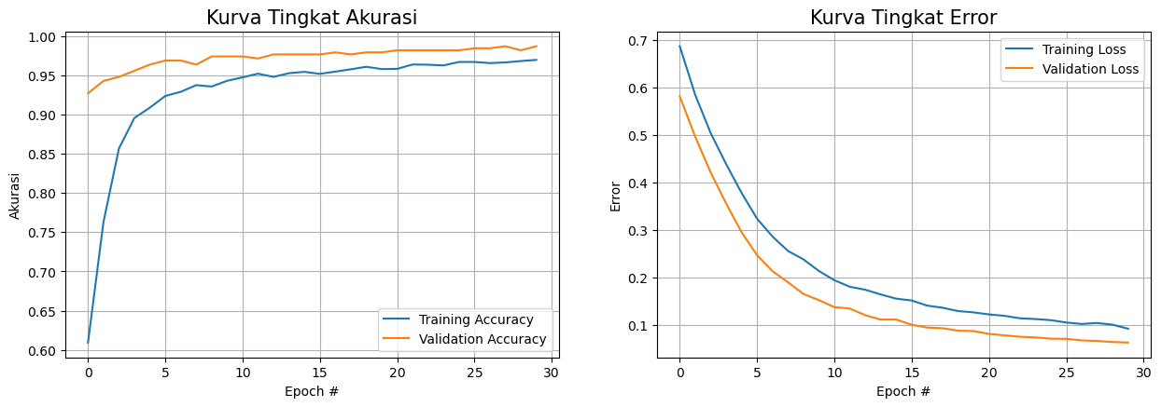
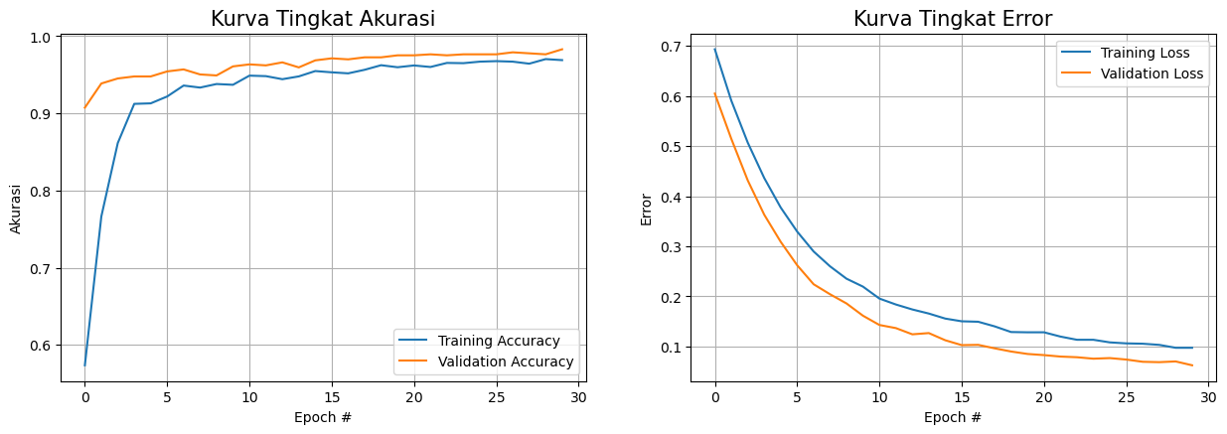
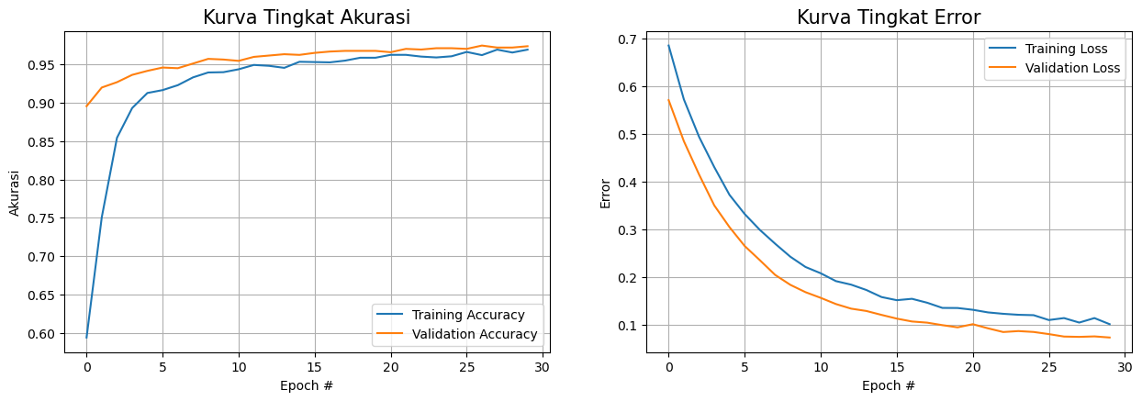
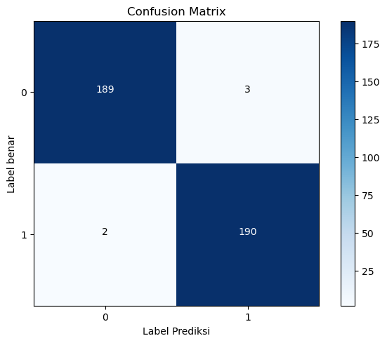

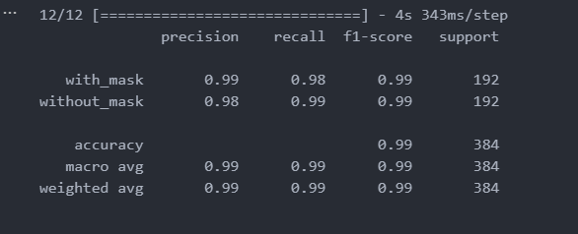
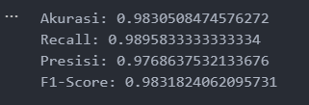
 |  | 90/10 |  |  |  |  | 80/20 |  |  |  | 70/30
Epoch | Loss | Accuracy | Val Loss | Val Accuracy | Epoch | Loss | Accuracy | Validation Loss | Validation Accuracy | Epoch | Loss | Accuracy | Validation Loss | Validation Accuracy
1 | 6,869 | 6,093 | 5,813 | 9,271 | 1 | 6,935 | 5,735 | 6,050 | 9,074 | 1 | 6,860 | 5,937 | 5,713 | 8,957
2 | 5,843 | 7,629 | 4,964 | 9,427 | 2 | 5,910 | 7,663 | 5,147 | 9,387 | 2 | 5,729 | 7,507 | 4,852 | 9,200
3 | 5,040 | 8,566 | 4,212 | 9,479 | 3 | 5,071 | 8,616 | 4,316 | 9,452 | 3 | 4,944 | 8,544 | 4,153 | 9,270
4 | 4,389 | 8,955 | 3,561 | 9,557 | 4 | 4,365 | 9,123 | 3,632 | 9,478 | 4 | 4,308 | 8,932 | 3,504 | 9,365
5 | 3,782 | 9,087 | 2,957 | 9,635 | 5 | 3,776 | 9,130 | 3,091 | 9,478 | 5 | 3,726 | 9,129 | 3,049 | 9,417
6 | 3,241 | 9,236 | 2,474 | 9,688 | 6 | 3,295 | 9,219 | 2,623 | 9,544 | 6 | 3,323 | 9,166 | 2,652 | 9,461
7 | 2,866 | 9,289 | 2,137 | 9,688 | 7 | 2,898 | 9,361 | 2,243 | 9,570 | 7 | 2,989 | 9,230 | 2,354 | 9,452
8 | 2,563 | 9,374 | 1,906 | 9,635 | 8 | 2,600 | 9,334 | 2,043 | 9,505 | 8 | 2,701 | 9,332 | 2,046 | 9,513
9 | 2,386 | 9,356 | 1,659 | 9,740 | 9 | 2,354 | 9,380 | 1,859 | 9,492 | 9 | 2,428 | 9,396 | 1,838 | 9,574
10 | 2,142 | 9,429 | 1,529 | 9,740 | 10 | 2,195 | 9,370 | 1,614 | 9,609 | 10 | 2,212 | 9,400 | 1,683 | 9,565
11 | 1,948 | 9,473 | 1,382 | 9,740 | 11 | 1,956 | 9,489 | 1,429 | 9,635 | 11 | 2,080 | 9,438 | 1,564 | 9,548
12 | 1,811 | 9,520 | 1,352 | 9,714 | 12 | 1,838 | 9,483 | 1,367 | 9,622 | 12 | 1,915 | 9,495 | 1,434 | 9,600
13 | 1,748 | 9,479 | 1,213 | 9,766 | 13 | 1,739 | 9,443 | 1,243 | 9,661 | 13 | 1,841 | 9,483 | 1,338 | 9,617
14 | 1,649 | 9,526 | 1,121 | 9,766 | 14 | 1,657 | 9,479 | 1,267 | 9,596 | 14 | 1,729 | 9,457 | 1,289 | 9,635
15 | 1,561 | 9,543 | 1,122 | 9,766 | 15 | 1,557 | 9,548 | 1,124 | 9,687 | 15 | 1,581 | 9,536 | 1,206 | 9,626
16 | 1,522 | 9,517 | 1,011 | 9,766 | 16 | 1,503 | 9,532 | 1,027 | 9,713 | 16 | 1,515 | 9,532 | 1,129 | 9,652
17 | 1,415 | 9,546 | 953 | 9,792 | 17 | 1,494 | 9,519 | 1,032 | 9,700 | 17 | 1,544 | 9,528 | 1,068 | 9,670
18 | 1,369 | 9,576 | 939 | 9,766 | 18 | 1,402 | 9,565 | 963 | 9,726 | 18 | 1,462 | 9,551 | 1,044 | 9,678
19 | 1,299 | 9,608 | 887 | 9,792 | 19 | 1,288 | 9,624 | 899 | 9,726 | 19 | 1,353 | 9,589 | 991 | 9,678
20 | 1,272 | 9,579 | 879 | 9,792 | 20 | 1,283 | 9,598 | 850 | 9,752 | 20 | 1,351 | 9,589 | 945 | 9,678
21 | 1,229 | 9,582 | 819 | 9,818 | 21 | 1,283 | 9,621 | 827 | 9,752 | 21 | 1,314 | 9,627 | 1,011 | 9,661
22 | 1,200 | 9,637 | 789 | 9,818 | 22 | 1,198 | 9,601 | 798 | 9,765 | 22 | 1,259 | 9,627 | 924 | 9,704
23 | 1,148 | 9,634 | 759 | 9,818 | 23 | 1,134 | 9,654 | 785 | 9,752 | 23 | 1,229 | 9,604 | 847 | 9,696
24 | 1,132 | 9,625 | 746 | 9,818 | 24 | 1,134 | 9,651 | 756 | 9,765 | 24 | 1,209 | 9,593 | 867 | 9,713
25 | 1,108 | 9,669 | 719 | 9,818 | 25 | 1,082 | 9,670 | 768 | 9,765 | 25 | 1,200 | 9,608 | 848 | 9,713
26 | 1,059 | 9,669 | 716 | 9,844 | 26 | 1,062 | 9,677 | 739 | 9,765 | 26 | 1,099 | 9,664 | 803 | 9,704
27 | 1,029 | 9,655 | 683 | 9,844 | 27 | 1,055 | 9,670 | 694 | 9,791 | 27 | 1,140 | 9,623 | 752 | 9,748
28 | 1,048 | 9,663 | 671 | 9,870 | 28 | 1,032 | 9,644 | 687 | 9,778 | 28 | 1,045 | 9,694 | 745 | 9,722
29 | 1,013 | 9,681 | 649 | 9,818 | 29 | 974 | 9,703 | 701 | 9,765 | 29 | 1,140 | 9,657 | 755 | 9,722
30 | 929 | 9,696 | 637 | 9,870 | 30 | 974 | 9,690 | 624 | 9,831 | 30 | 1,011 | 9,694 | 732 | 9,739

(SGD) FULL DATASET
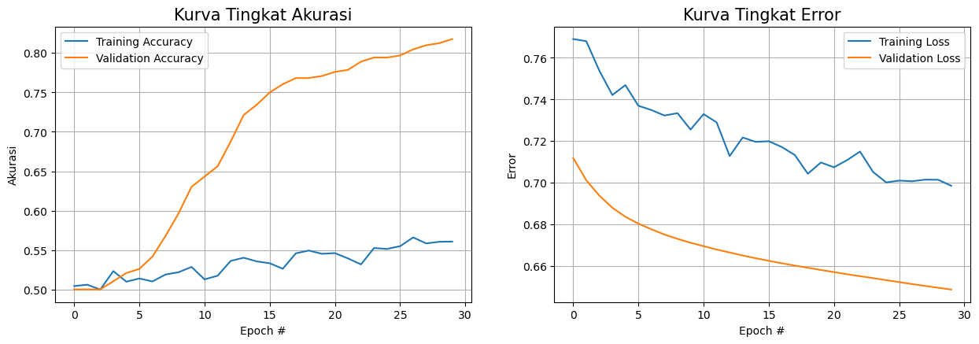
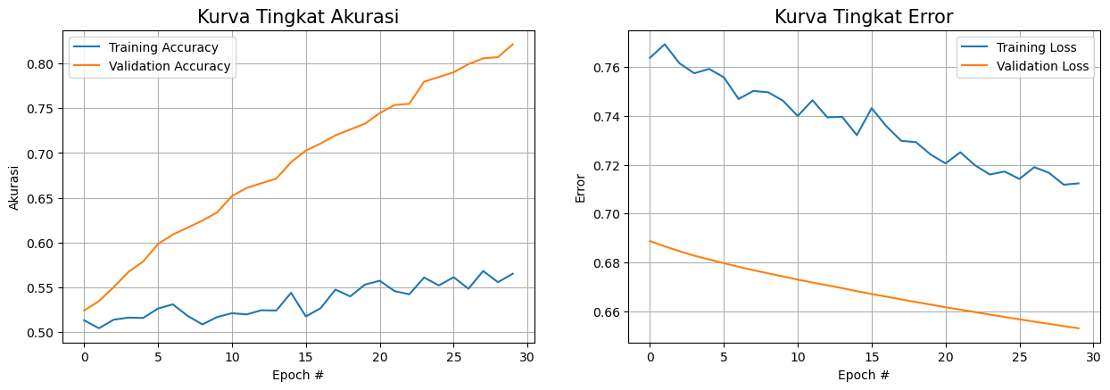
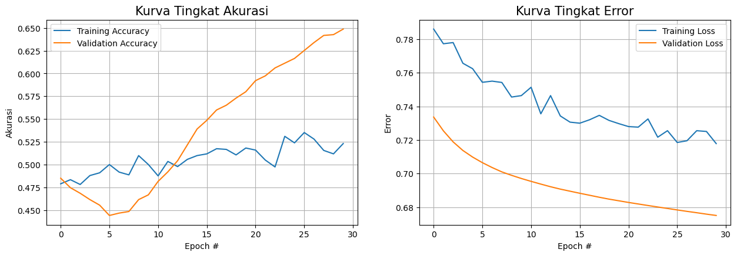

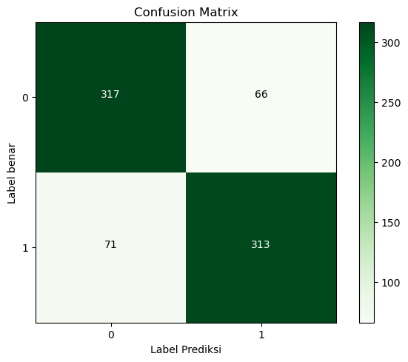
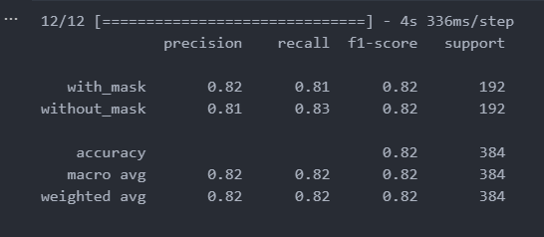
 |  | 90/10 |  |  |  |  | 80/20 |  |  |  |  | 70/30
Epoch | Loss | Accuracy | Validation Loss | Validation Accuracy | Epoch | Training Loss | Training Accuracy | Validation Loss | Validation Accuracy | Epoch | Training Loss | Training Accuracy | Validation Loss | Validation Accuracy
1 | 7,690 | 5,042 | 7,119 | 5,000 | 1 | 7,638 | 5,132 | 6,888 | 5,241 | 1 | 7,860 | 4,791 | 7,336 | 4,852
2 | 7,680 | 5,060 | 7,012 | 5,000 | 2 | 7,693 | 5,043 | 6,866 | 5,346 | 2 | 7,773 | 4,836 | 7,254 | 4,748
3 | 7,539 | 4,999 | 6,939 | 5,000 | 3 | 7,616 | 5,138 | 6,846 | 5,502 | 3 | 7,780 | 4,783 | 7,188 | 4,687
4 | 7,421 | 5,233 | 6,881 | 5,104 | 4 | 7,575 | 5,162 | 6,828 | 5,671 | 4 | 7,657 | 4,881 | 7,137 | 4,617
5 | 7,469 | 5,098 | 6,837 | 5,208 | 5 | 7,592 | 5,158 | 6,813 | 5,789 | 5 | 7,624 | 4,911 | 7,098 | 4,557
6 | 7,370 | 5,139 | 6,804 | 5,260 | 6 | 7,558 | 5,264 | 6,797 | 5,984 | 6 | 7,543 | 5,002 | 7,065 | 4,443
7 | 7,349 | 5,101 | 6,777 | 5,417 | 7 | 7,469 | 5,310 | 6,782 | 6,089 | 7 | 7,550 | 4,919 | 7,036 | 4,470
8 | 7,323 | 5,189 | 6,752 | 5,677 | 8 | 7,502 | 5,181 | 6,768 | 6,167 | 8 | 7,542 | 4,889 | 7,010 | 4,487
9 | 7,334 | 5,218 | 6,731 | 5,964 | 9 | 7,497 | 5,086 | 6,756 | 6,245 | 9 | 7,455 | 5,100 | 6,989 | 4,617
10 | 7,256 | 5,285 | 6,713 | 6,302 | 10 | 7,462 | 5,168 | 6,743 | 6,336 | 10 | 7,464 | 5,002 | 6,970 | 4,670
11 | 7,330 | 5,127 | 6,696 | 6,432 | 11 | 7,400 | 5,211 | 6,730 | 6,519 | 11 | 7,514 | 4,877 | 6,953 | 4,817
12 | 7,290 | 5,174 | 6,680 | 6,562 | 12 | 7,464 | 5,198 | 6,718 | 6,610 | 12 | 7,356 | 5,036 | 6,937 | 4,922
13 | 7,129 | 5,361 | 6,666 | 6,875 | 13 | 7,394 | 5,244 | 6,706 | 6,662 | 13 | 7,464 | 4,979 | 6,921 | 5,043
14 | 7,218 | 5,402 | 6,651 | 7,214 | 14 | 7,397 | 5,241 | 6,695 | 6,714 | 14 | 7,343 | 5,058 | 6,907 | 5,217
15 | 7,197 | 5,356 | 6,638 | 7,344 | 15 | 7,321 | 5,438 | 6,682 | 6,897 | 15 | 7,306 | 5,100 | 6,895 | 5,391
16 | 7,200 | 5,332 | 6,626 | 7,500 | 16 | 7,432 | 5,175 | 6,671 | 7,027 | 16 | 7,300 | 5,119 | 6,882 | 5,487
17 | 7,172 | 5,262 | 6,614 | 7,604 | 17 | 7,358 | 5,267 | 6,660 | 7,106 | 17 | 7,320 | 5,175 | 6,871 | 5,600
18 | 7,133 | 5,458 | 6,603 | 7,682 | 18 | 7,298 | 5,475 | 6,649 | 7,197 | 18 | 7,346 | 5,168 | 6,859 | 5,652
19 | 7,044 | 5,493 | 6,593 | 7,682 | 19 | 7,292 | 5,399 | 6,638 | 7,262 | 19 | 7,316 | 5,108 | 6,848 | 5,730
20 | 7,098 | 5,452 | 6,582 | 7,708 | 20 | 7,242 | 5,531 | 6,628 | 7,327 | 20 | 7,297 | 5,183 | 6,838 | 5,800
21 | 7,075 | 5,461 | 6,572 | 7,760 | 21 | 7,206 | 5,574 | 6,617 | 7,445 | 21 | 7,280 | 5,160 | 6,828 | 5,922
22 | 7,109 | 5,394 | 6,561 | 7,786 | 22 | 7,251 | 5,458 | 6,607 | 7,536 | 22 | 7,276 | 5,051 | 6,819 | 5,974
23 | 7,150 | 5,318 | 6,552 | 7,891 | 23 | 7,198 | 5,422 | 6,597 | 7,549 | 23 | 7,325 | 4,975 | 6,810 | 6,061
24 | 7,052 | 5,525 | 6,543 | 7,943 | 24 | 7,160 | 5,610 | 6,587 | 7,797 | 24 | 7,216 | 5,311 | 6,801 | 6,113
25 | 7,002 | 5,514 | 6,533 | 7,943 | 25 | 7,172 | 5,521 | 6,577 | 7,849 | 25 | 7,255 | 5,240 | 6,792 | 6,165
26 | 7,011 | 5,549 | 6,524 | 7,969 | 26 | 7,142 | 5,613 | 6,567 | 7,901 | 26 | 7,185 | 5,353 | 6,783 | 6,252
27 | 7,008 | 5,660 | 6,514 | 8,047 | 27 | 7,190 | 5,485 | 6,558 | 7,992 | 27 | 7,195 | 5,281 | 6,775 | 6,339
28 | 7,015 | 5,584 | 6,505 | 8,099 | 28 | 7,167 | 5,682 | 6,549 | 8,057 | 28 | 7,255 | 5,157 | 6,767 | 6,417
29 | 7,015 | 5,604 | 6,497 | 8,125 | 29 | 7,118 | 5,557 | 6,539 | 8,070 | 29 | 7,250 | 5,119 | 6,758 | 6,426
30 | 6,986 | 5,607 | 6,488 | 8,177 | 30 | 7,124 | 5,653 | 6,531 | 8,214 | 30 | 7,178 | 5,232 | 6,750 | 6,487

(ADAM) Pengujian HALF Dataset
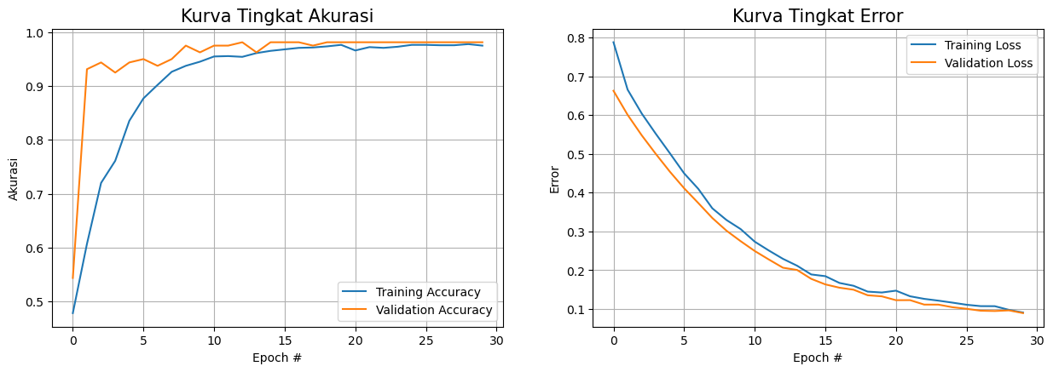
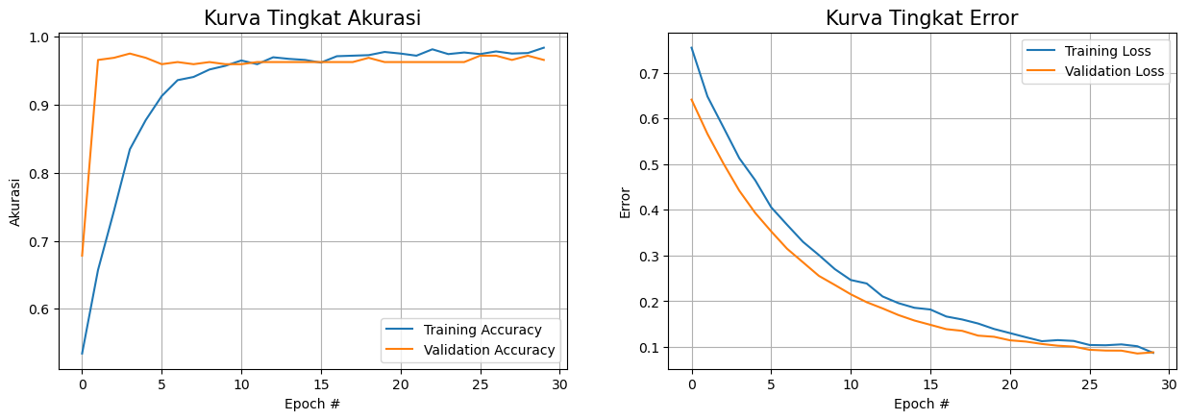
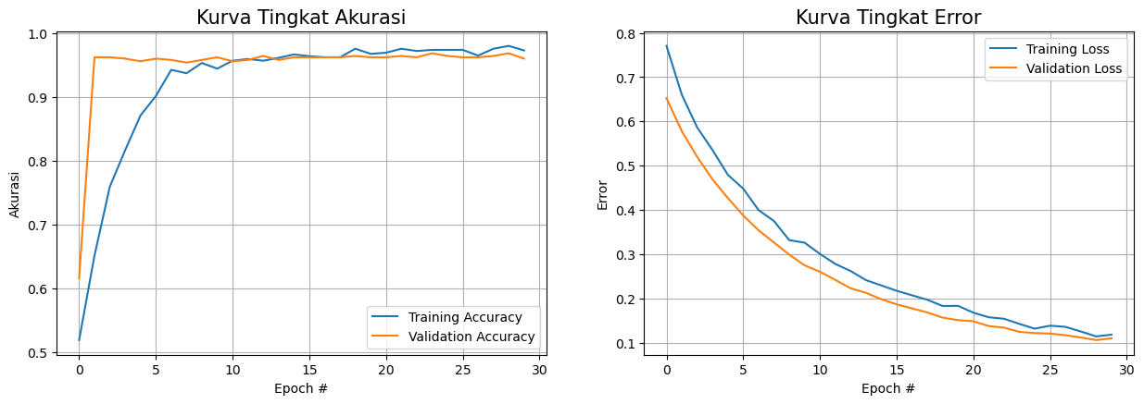
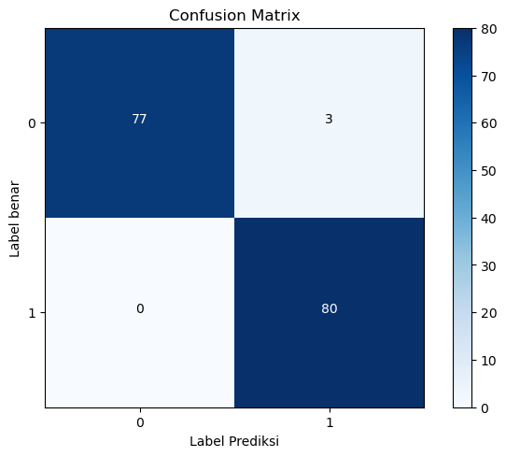
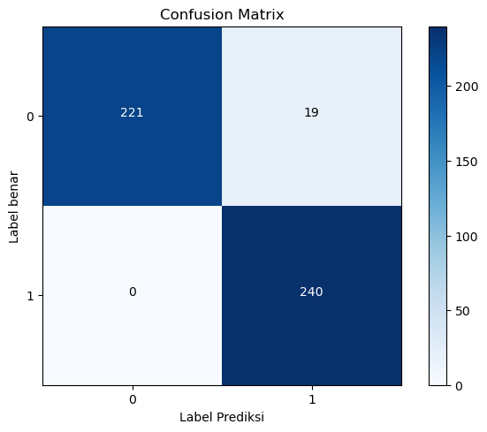
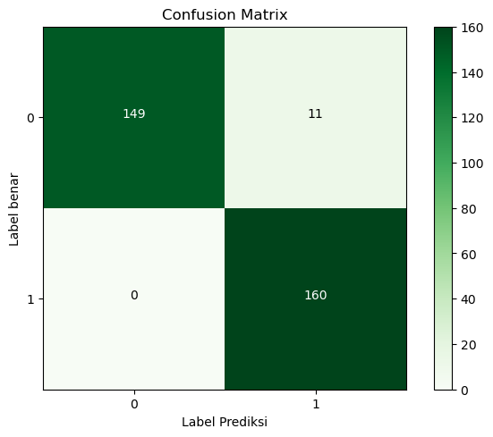
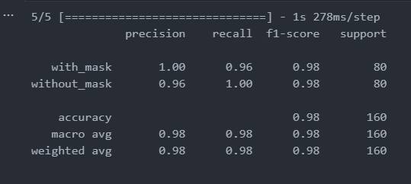
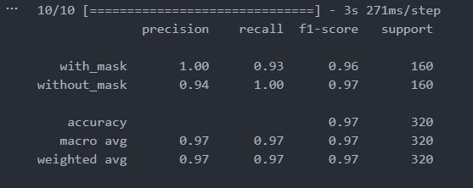
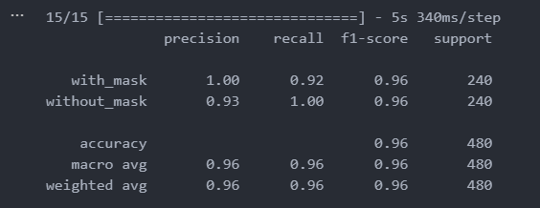
Data Split 90/10 |  |  |  |  |  | Data Split 80/20 |  |  |  |  | Data Split 70/30
Epoch | Training Loss | Training Accuracy | Validation Loss | Validation Accuracy | Epoch | Loss | Accuracy | Val Loss | Val Accuracy | Epoch | Loss | Accuracy | Validation Loss | Validation Accuracy
1 | 7,876 | 4,785 | 6,625 | 5,437 | 1 | 7,546 | 5,344 | 6,411 | 6,781 | 1 | 7,705 | 5,196 | 6,524 | 6,167
2 | 6,655 | 6,069 | 6,006 | 9,312 | 2 | 6,480 | 6,570 | 5,660 | 9,656 | 2 | 6,601 | 6,518 | 5,778 | 9,625
3 | 6,040 | 7,201 | 5,477 | 9,438 | 3 | 5,806 | 7,437 | 5,015 | 9,688 | 3 | 5,864 | 7,598 | 5,200 | 9,625
4 | 5,515 | 7,611 | 4,996 | 9,250 | 4 | 5,129 | 8,344 | 4,418 | 9,750 | 4 | 5,353 | 8,170 | 4,692 | 9,604
5 | 5,012 | 8,354 | 4,537 | 9,438 | 5 | 4,647 | 8,773 | 3,932 | 9,688 | 5 | 4,794 | 8,714 | 4,269 | 9,563
6 | 4,498 | 8,771 | 4,114 | 9,500 | 6 | 4,056 | 9,125 | 3,530 | 9,594 | 6 | 4,483 | 9,018 | 3,877 | 9,604
7 | 4,100 | 9,021 | 3,734 | 9,375 | 7 | 3,673 | 9,359 | 3,149 | 9,625 | 7 | 3,998 | 9,429 | 3,541 | 9,583
8 | 3,595 | 9,264 | 3,345 | 9,500 | 8 | 3,300 | 9,406 | 2,852 | 9,594 | 8 | 3,753 | 9,375 | 3,268 | 9,542
9 | 3,295 | 9,375 | 3,019 | 9,750 | 9 | 3,010 | 9,516 | 2,555 | 9,625 | 9 | 3,319 | 9,536 | 2,992 | 9,583
10 | 3,061 | 9,451 | 2,749 | 9,625 | 10 | 2,703 | 9,570 | 2,357 | 9,594 | 10 | 3,263 | 9,446 | 2,751 | 9,625
11 | 2,736 | 9,549 | 2,496 | 9,750 | 11 | 2,465 | 9,648 | 2,153 | 9,594 | 11 | 3,009 | 9,571 | 2,606 | 9,563
12 | 2,508 | 9,556 | 2,276 | 9,750 | 12 | 2,389 | 9,594 | 1,980 | 9,625 | 12 | 2,783 | 9,598 | 2,423 | 9,583
13 | 2,293 | 9,542 | 2,064 | 9,812 | 13 | 2,105 | 9,695 | 1,844 | 9,625 | 13 | 2,623 | 9,571 | 2,232 | 9,646
14 | 2,116 | 9,611 | 2,007 | 9,625 | 14 | 1,959 | 9,672 | 1,698 | 9,625 | 14 | 2,417 | 9,616 | 2,131 | 9,583
15 | 1,891 | 9,653 | 1,778 | 9,812 | 15 | 1,857 | 9,656 | 1,579 | 9,625 | 15 | 2,297 | 9,670 | 1,985 | 9,625
16 | 1,847 | 9,681 | 1,635 | 9,812 | 16 | 1,820 | 9,617 | 1,485 | 9,625 | 16 | 2,176 | 9,643 | 1,870 | 9,625
17 | 1,672 | 9,708 | 1,549 | 9,812 | 17 | 1,667 | 9,711 | 1,390 | 9,625 | 17 | 2,074 | 9,625 | 1,779 | 9,625
18 | 1,599 | 9,715 | 1,498 | 9,750 | 18 | 1,601 | 9,719 | 1,353 | 9,625 | 18 | 1,974 | 9,625 | 1,686 | 9,625
19 | 1,448 | 9,736 | 1,355 | 9,812 | 19 | 1,513 | 9,727 | 1,248 | 9,688 | 19 | 1,833 | 9,759 | 1,570 | 9,646
20 | 1,425 | 9,764 | 1,327 | 9,812 | 20 | 1,394 | 9,773 | 1,223 | 9,625 | 20 | 1,837 | 9,679 | 1,513 | 9,625
21 | 1,473 | 9,660 | 1,228 | 9,812 | 21 | 1,304 | 9,750 | 1,146 | 9,625 | 21 | 1,682 | 9,696 | 1,488 | 9,625
22 | 1,328 | 9,722 | 1,229 | 9,812 | 22 | 1,213 | 9,719 | 1,118 | 9,625 | 22 | 1,578 | 9,759 | 1,380 | 9,646
23 | 1,262 | 9,708 | 1,114 | 9,812 | 23 | 1,126 | 9,812 | 1,067 | 9,625 | 23 | 1,545 | 9,723 | 1,345 | 9,625
24 | 1,216 | 9,729 | 1,113 | 9,812 | 24 | 1,150 | 9,742 | 1,028 | 9,625 | 24 | 1,429 | 9,741 | 1,249 | 9,688
25 | 1,165 | 9,764 | 1,046 | 9,812 | 25 | 1,132 | 9,766 | 1,009 | 9,625 | 25 | 1,321 | 9,741 | 1,222 | 9,646
26 | 1,110 | 9,764 | 1,006 | 9,812 | 26 | 1,044 | 9,742 | 939 | 9,719 | 26 | 1,389 | 9,741 | 1,210 | 9,625
27 | 1,074 | 9,757 | 956 | 9,812 | 27 | 1,038 | 9,781 | 922 | 9,719 | 27 | 1,362 | 9,652 | 1,173 | 9,625
28 | 1,073 | 9,757 | 949 | 9,812 | 28 | 1,057 | 9,750 | 920 | 9,656 | 28 | 1,258 | 9,759 | 1,121 | 9,646
29 | 978 | 9,778 | 965 | 9,812 | 29 | 1,017 | 9,758 | 857 | 9,719 | 29 | 1,147 | 9,804 | 1,064 | 9,688
30 | 909 | 9,750 | 895 | 9,812 | 30 | 871 | 9,836 | 883 | 9,656 | 30 | 1,185 | 9,732 | 1,102 | 9,604

(SGD) HALF DATASET
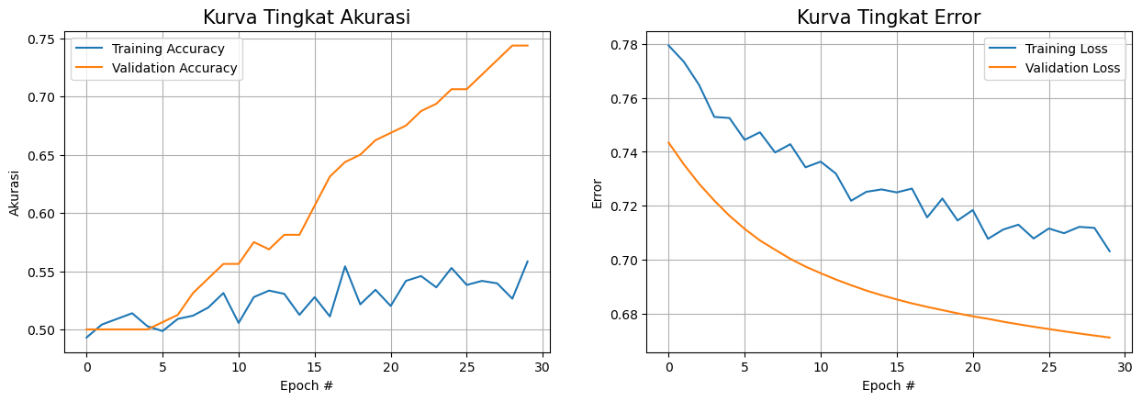
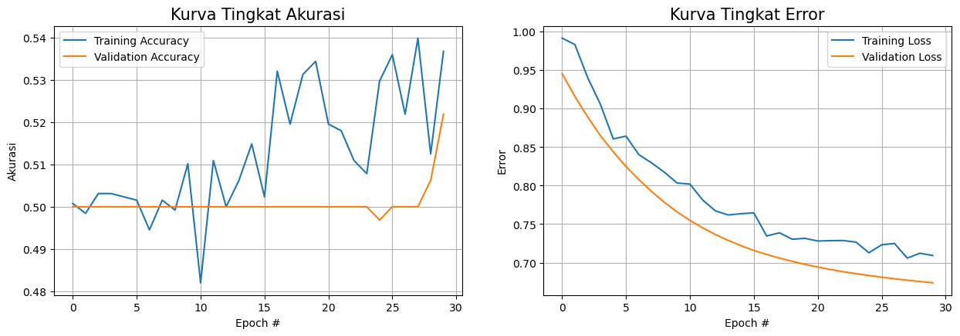
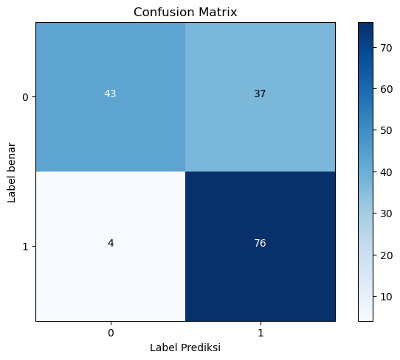
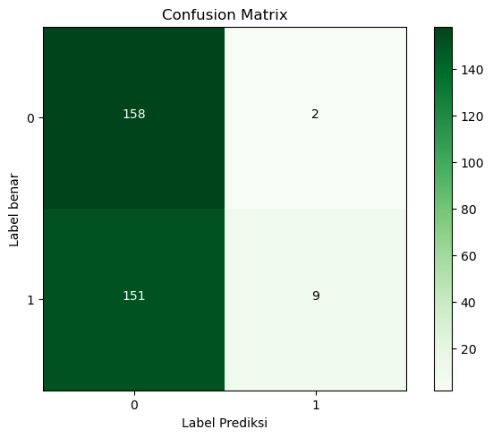
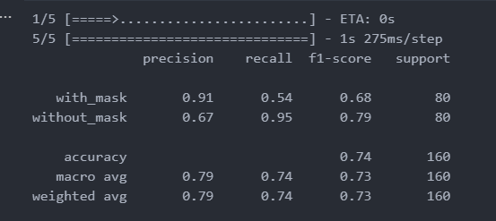
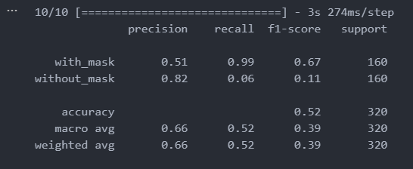
 |  | 90/10 |  |  |  |  | 80/20 |  |  |  |  | 70/30
Epoch | Loss | Accuracy | Validation Loss | Validation Accuracy | Epoch | Loss | Accuracy | Validation Loss | Validation Accuracy | Epoch | Loss | Accuracy | Validation Loss | Validation Accuracy
1 | 7,793 | 4,931 | 7,434 | 5,000 | 1 | 9,916 | 5,008 | 9,456 | 5,000 | 1 | 7,793 | 4,931 | 7,434 | 5,000
2 | 7,733 | 5,042 | 7,354 | 5,000 | 2 | 9,833 | 4,984 | 9,159 | 5,000 | 2 | 7,733 | 5,042 | 7,354 | 5,000
3 | 7,648 | 5,090 | 7,282 | 5,000 | 3 | 9,404 | 5,031 | 8,893 | 5,000 | 3 | 7,648 | 5,090 | 7,282 | 5,000
4 | 7,529 | 5,139 | 7,220 | 5,000 | 4 | 9,055 | 5,031 | 8,649 | 5,000 | 4 | 7,529 | 5,139 | 7,220 | 5,000
5 | 7,525 | 5,028 | 7,163 | 5,000 | 5 | 8,607 | 5,023 | 8,440 | 5,000 | 5 | 7,525 | 5,028 | 7,163 | 5,000
6 | 7,444 | 4,986 | 7,115 | 5,063 | 6 | 8,643 | 5,016 | 8,248 | 5,000 | 6 | 7,444 | 4,986 | 7,115 | 5,063
7 | 7,472 | 5,090 | 7,072 | 5,125 | 7 | 8,403 | 4,945 | 8,080 | 5,000 | 7 | 7,472 | 5,090 | 7,072 | 5,125
8 | 7,398 | 5,118 | 7,038 | 5,312 | 8 | 8,295 | 5,016 | 7,924 | 5,000 | 8 | 7,398 | 5,118 | 7,038 | 5,312
9 | 7,428 | 5,188 | 7,004 | 5,437 | 9 | 8,175 | 4,992 | 7,783 | 5,000 | 9 | 7,428 | 5,188 | 7,004 | 5,437
10 | 7,343 | 5,312 | 6,975 | 5,562 | 10 | 8,034 | 5,102 | 7,658 | 5,000 | 10 | 7,343 | 5,312 | 6,975 | 5,562
11 | 7,364 | 5,056 | 6,951 | 5,562 | 11 | 8,020 | 4,820 | 7,549 | 5,000 | 11 | 7,364 | 5,056 | 6,951 | 5,562
12 | 7,319 | 5,278 | 6,927 | 5,750 | 12 | 7,812 | 5,109 | 7,451 | 5,000 | 12 | 7,319 | 5,278 | 6,927 | 5,750
13 | 7,219 | 5,333 | 6,906 | 5,688 | 13 | 7,672 | 5,000 | 7,364 | 5,000 | 13 | 7,219 | 5,333 | 6,906 | 5,688
14 | 7,252 | 5,306 | 6,887 | 5,813 | 14 | 7,619 | 5,063 | 7,288 | 5,000 | 14 | 7,252 | 5,306 | 6,887 | 5,813
15 | 7,261 | 5,125 | 6,869 | 5,813 | 15 | 7,635 | 5,148 | 7,220 | 5,000 | 15 | 7,261 | 5,125 | 6,869 | 5,813
16 | 7,250 | 5,278 | 6,854 | 6,062 | 16 | 7,646 | 5,023 | 7,157 | 5,000 | 16 | 7,250 | 5,278 | 6,854 | 6,062
17 | 7,264 | 5,111 | 6,839 | 6,313 | 17 | 7,346 | 5,320 | 7,106 | 5,000 | 17 | 7,264 | 5,111 | 6,839 | 6,313
18 | 7,157 | 5,542 | 6,826 | 6,438 | 18 | 7,387 | 5,195 | 7,059 | 5,000 | 18 | 7,157 | 5,542 | 6,826 | 6,438
19 | 7,227 | 5,215 | 6,814 | 6,500 | 19 | 7,304 | 5,312 | 7,016 | 5,000 | 19 | 7,227 | 5,215 | 6,814 | 6,500
20 | 7,146 | 5,340 | 6,802 | 6,625 | 20 | 7,315 | 5,344 | 6,978 | 5,000 | 20 | 7,146 | 5,340 | 6,802 | 6,625
21 | 7,184 | 5,201 | 6,791 | 6,687 | 21 | 7,281 | 5,195 | 6,943 | 5,000 | 21 | 7,184 | 5,201 | 6,791 | 6,687
22 | 7,078 | 5,417 | 6,782 | 6,750 | 22 | 7,285 | 5,180 | 6,910 | 5,000 | 22 | 7,078 | 5,417 | 6,782 | 6,750
23 | 7,112 | 5,458 | 6,771 | 6,875 | 23 | 7,287 | 5,109 | 6,881 | 5,000 | 23 | 7,112 | 5,458 | 6,771 | 6,875
24 | 7,130 | 5,361 | 6,762 | 6,938 | 24 | 7,266 | 5,078 | 6,856 | 5,000 | 24 | 7,130 | 5,361 | 6,762 | 6,938
25 | 7,079 | 5,528 | 6,753 | 7,063 | 25 | 7,127 | 5,297 | 6,832 | 4,969 | 25 | 7,079 | 5,528 | 6,753 | 7,063
26 | 7,116 | 5,382 | 6,744 | 7,063 | 26 | 7,231 | 5,359 | 6,810 | 5,000 | 26 | 7,116 | 5,382 | 6,744 | 7,063
27 | 7,099 | 5,417 | 6,736 | 7,188 | 27 | 7,249 | 5,219 | 6,789 | 5,000 | 27 | 7,099 | 5,417 | 6,736 | 7,188
28 | 7,122 | 5,396 | 6,728 | 7,312 | 28 | 7,058 | 5,398 | 6,771 | 5,000 | 28 | 7,122 | 5,396 | 6,728 | 7,312
29 | 7,119 | 5,264 | 6,720 | 7,437 | 29 | 7,122 | 5,125 | 6,754 | 5,063 | 29 | 7,119 | 5,264 | 6,720 | 7,437
30 | 7,032 | 5,583 | 6,713 | 7,437 | 30 | 7,091 | 5,367 | 6,737 | 5,219 | 30 | 7,032 | 5,583 | 6,713 | 7,437

